OTDR
Identification Information

Filename: | D P0305_007_1310.sor |  |  |  |  | Job ID:
Test date: | 19102023 |  |  |  |  | Customer:
Test time: | 16:12:38 (GMT+01:00) |  |  |  |  | Company: |  | Viavi
Comments:
Identifiers
Cable ID |  | Fiber ID |  |  | Location A |  |  | Location B |  |  | Kein
V04-06 |  | 31 |  |  | POP |  |  | 12344_Beispielstr_5

Location A |  |  |  |  |  | Location B

Location: | POP |  |  |  |  | Location: |  | 12344_Beispielstr_5
Operator: |  |  |  |  |  | Operator:
Unit model: |  |  |  |  |  | Unit model:
Unit s/n: | 53645 |  |  |  |  | Unit s/n:
Calibration Date: | 1010001 |  |  |  |  | Calibration Date:

Test Parameters (1310 nm)

Range (km): |  | 40.6226 |  | Pulse (ns): |  |  | 30 |  | Duration (s): |  |  | 10

Results (1310 nm)

Span length (km): |  | 6.3195 |  | Span loss (dB): |  |  | 2.442 |  | Span ORL (dB): |  |  | 34.09
Average loss (dB/km): |  | 0.386 |  | Avg. splice loss (dB): |  |  | 0.650 |  | Max. splice loss (dB): |  |  | 0.650

Graphic (1310 nm)
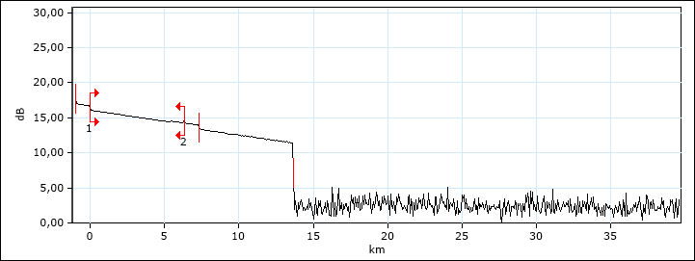

Event Table (1310 nm)
Type |  |  | No. | Location/ Length (km) |  | Loss (dB) |  | Reflectance (dB) |  | Attenuation (dB/km) |  | Cumulative (dB)
Launch Level |  |  |  | -1,0061 |  | 0,770 |  | -49.7
Section |  |  |  | 1.0061 |  | 0.324 |  |  |  | 0.322
Non-Reflective |  |  | 1 | 0,0000 |  | 0,650 |  | --- |  |  |  | 0.650
Section |  |  |  | 6.3195 |  | 1.871 |  |  |  | 0.296 |  | 2.521
Reflective |  |  | 2 | 6,3195 |  | -0,079 |  | -56.7 |  |  |  | 2.442
Section |  |  |  | 1.0151 |  | 0.320 |  |  |  | 0.315
Reflective |  |  |  | 7,3346 |  | 0,601 |  | -64.2
Section |  |  |  | 6.3170 |  | 1.939 |  |  |  | 0.307
Non-Reflective |  |  |  | 13,6515 |  | 0,000 |  | ---

Markers Information (1310 nm) |  |  |  |  |  | Manual Measurements (1310 nm)
Marker |  | Position (km) |  | Value (dB) |  | Measurement |  |  |  | Value
a |  | 1.3196 |  | 15.667 |  | 4 points event loss (dB) |  |  |  | -0.064
A |  | 6.3195 |  | 14.370 |  | A-B LSA loss (dB) |  |  |  | 1.487
B |  | 6.3304 |  | 14.332 |  | 2 points section att. (dB/km) |  |  |  | 3.501
b |  | 7.3346 |  | 13.898 |  | A-B LSA attenuation (dB/km) |  |  |  | 136.983
B-A |  | 0.0109 |  | 0.038 |  | 3 points reflectance (dB) |  |  |  | -76.0
 |  |  |  |  |  | 3 points max. reflectance (dB) |  |  |  | -58.2
 |  |  |  |  |  | A-B ORL (dB) |  |  |  | 54.87

Pass/Fail Thresholds (1310 nm)
Threshold |  | Fail |  | Warning
Splice loss (dB) |  | 1.000 |  | 1.000
Connector loss (dB) |  | 1.000 |  | 1.000
Splitter loss (dB) |  | --- |  | ---
Reflectance (dB) |  | -40.0 |  | -40.0
Fiber sect. att. (dB/km) |  | --- |  | ---
Span loss (dB) |  | 45.000 |  | 45.000
Span length (km) |  | 0.0000 |  | 0.0000
Span ORL (dB) |  | 15.00 |  | 15.00

OTDR (2)
Identification Information

Filename: | D P0305_007_1550.sor |  |  |  |  | Job ID:
Test date: | 19102023 |  |  |  |  | Customer:
Test time: | 16:13:53 (GMT+01:00) |  |  |  |  | Company: |  | Viavi
Comments:
Identifiers
Cable ID |  | Fiber ID |  |  | Location A |  |  | Location B |  |  | Kein
V04-06 |  | 31 |  |  | POP |  |  | 12345_Beispielstr_5

Location A |  |  |  |  |  | Location B

Location: | POP |  |  |  |  | Location: |  | 12345_Beispielstr_5
Operator: |  |  |  |  |  | Operator:
Unit model: |  |  |  |  |  | Unit model:
Unit s/n: | 53645 |  |  |  |  | Unit s/n:
Calibration Date: | 1010001 |  |  |  |  | Calibration Date:

Test Parameters (1550 nm)

Range (km): |  | 40.6394 |  | Pulse (ns): |  |  | 100 |  | Duration (s): |  |  | 10

Results (1550 nm)

Span length (km): |  | 6.3103 |  | Span loss (dB): |  |  | 1.606 |  | Span ORL (dB): |  |  | 35.48
Average loss (dB/km): |  | 0.254 |  | Avg. splice loss (dB): |  |  | -0.078 |  | Max. splice loss (dB): |  |  | -0.078

Graphic (1550 nm)
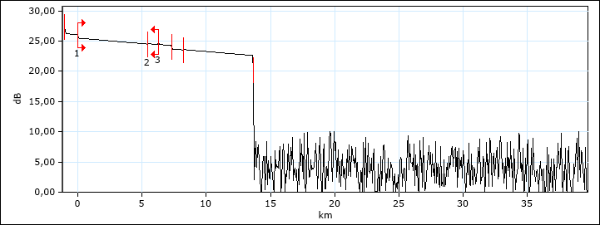

Event Table (1550 nm)
Type |  |  | No. | Location/ Length (km) |  | Loss (dB) |  | Reflectance (dB) |  | Attenuation (dB/km) |  | Cumulative (dB)
Launch Level |  |  |  | -1,0134 |  | 0,595 |  | -52.5
Section |  |  |  | 1.0134 |  | 0.169 |  |  |  | 0.167
Reflective |  |  | 1 | 0,0000 |  | 0,551 |  | -72.3 |  |  |  | 0.551
Section |  |  |  | 5.4220 |  | 0.992 |  |  |  | 0.183 |  | 1.543
Non-Reflective |  |  | 2 | 5,4220 |  | -0,078 |  | --- |  |  |  | 1.465
Section |  |  |  | 0.8883 |  | 0.155 |  |  |  | 0.175 |  | 1.620
Reflective |  |  | 3 | 6,3103 |  | -0,015 |  | -57.8 |  |  |  | 1.605
Section |  |  |  | 1.0236 |  | 0.184 |  |  |  | 0.180
Non-Reflective |  |  |  | 7,3340 |  | 0,582 |  | ---
Section |  |  |  | 0.8807 |  | 0.144 |  |  |  | 0.164
Non-Reflective |  |  |  | 8,2147 |  | -0,060 |  | ---
Section |  |  |  | 5.4271 |  | 0.988 |  |  |  | 0.182
Reflective |  |  |  | 13,6418 |  | 0,000 |  | -57.2

Markers Information (1550 nm) |  |  |  |  |  | Manual Measurements (1550 nm)
Marker |  | Position (km) |  | Value (dB) |  | Measurement |  |  |  | Value
a |  | 5.4628 |  | 24.609 |  | 4 points event loss (dB) |  |  |  | -0.015
A |  | 6.3103 |  | 24.428 |  | A-B LSA loss (dB) |  |  |  | 1.015
B |  | 6.3410 |  | 24.456 |  | 2 points section att. (dB/km) |  |  |  | -0.914
b |  | 7.3340 |  | 24.302 |  | A-B LSA attenuation (dB/km) |  |  |  | 33.130
B-A |  | 0.0306 |  | -0.028 |  | 3 points reflectance (dB) |  |  |  | -80.5
 |  |  |  |  |  | 3 points max. reflectance (dB) |  |  |  | -57.8
 |  |  |  |  |  | A-B ORL (dB) |  |  |  | 53.70

Pass/Fail Thresholds (1550 nm)
Threshold |  | Fail |  | Warning
Splice loss (dB) |  | 1.000 |  | 1.000
Connector loss (dB) |  | 1.000 |  | 1.000
Splitter loss (dB) |  | --- |  | ---
Reflectance (dB) |  | -40.0 |  | -40.0
Fiber sect. att. (dB/km) |  | --- |  | ---
Span loss (dB) |  | 45.000 |  | 45.000
Span length (km) |  | 0.0000 |  | 0.0000
Span ORL (dB) |  | 15.00 |  | 15.00

OTDR (3)
Identification Information

Filename: | D P0305_007_1625.sor |  |  |  |  | Job ID:
Test date: | 19102023 |  |  |  |  | Customer:
Test time: | 16:14:43 (GMT+01:00) |  |  |  |  | Company: |  | Viavi
Comments:
Identifiers
Cable ID |  | Fiber ID |  |  | Location A |  |  | Location B |  |  | Kein
V04-06 |  | 31 |  |  | POP |  |  | 12345_Beispielstr_5

Location A |  |  |  |  |  | Location B

Location: | POP |  |  |  |  | Location: |  | 12345_Beispielstr_5
Operator: |  |  |  |  |  | Operator:
Unit model: |  |  |  |  |  | Unit model:
Unit s/n: | 53645 |  |  |  |  | Unit s/n:
Calibration Date: | 1010001 |  |  |  |  | Calibration Date:

Test Parameters (1625 nm)

Range (km): |  | 40.5950 |  | Pulse (ns): |  |  | 30 |  | Duration (s): |  |  | 10

Results (1625 nm)

Span length (km): |  | 6.3159 |  | Span loss (dB): |  |  | 1.753 |  | Span ORL (dB): |  |  | 35.20
Average loss (dB/km): |  | 0.278 |  | Avg. splice loss (dB): |  |  | -0.075 |  | Max. splice loss (dB): |  |  | -0.075

Graphic (1625 nm)
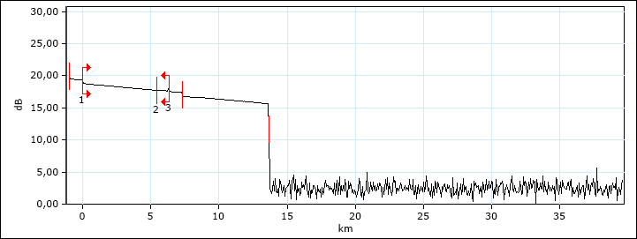

Event Table (1625 nm)
Type |  |  | No. | Location/ Length (km) |  | Loss (dB) |  | Reflectance (dB) |  | Attenuation (dB/km) |  | Cumulative (dB)
Launch Level |  |  |  | -1,0099 |  | 0,000 |  | -54.0
Section |  |  |  | 1.0099 |  | 0.201 |  |  |  | 0.199
Reflective |  |  | 1 | 0,0000 |  | 0,538 |  | -67.6 |  |  |  | 0.538
Section |  |  |  | 5.4335 |  | 1.054 |  |  |  | 0.194 |  | 1.592
Non-Reflective |  |  | 2 | 5,4335 |  | -0,075 |  | --- |  |  |  | 1.517
Section |  |  |  | 0.8823 |  | 0.183 |  |  |  | 0.207 |  | 1.700
Reflective |  |  | 3 | 6,3159 |  | 0,053 |  | -57.5 |  |  |  | 1.753
Section |  |  |  | 1.0112 |  | 0.194 |  |  |  | 0.192
Non-Reflective |  |  |  | 7,3270 |  | 0,548 |  | ---
Section |  |  |  | 6.3197 |  | 1.169 |  |  |  | 0.185
Reflective |  |  |  | 13,6467 |  | 0,000 |  | -55.4

Markers Information (1625 nm) |  |  |  |  |  | Manual Measurements (1625 nm)
Marker |  | Position (km) |  | Value (dB) |  | Measurement |  |  |  | Value
a |  | -0.9895 |  | 19.537 |  | 4 points event loss (dB) |  |  |  | 0.539
A |  | 0.0000 |  | 19.281 |  | A-B LSA loss (dB) |  |  |  | 1.154
B |  | 0.0115 |  | 18.798 |  | 2 points section att. (dB/km) |  |  |  | 42.061
b |  | 5.0112 |  | 17.822 |  | A-B LSA attenuation (dB/km) |  |  |  | 100.517
B-A |  | 0.0115 |  | 0.483 |  | 3 points reflectance (dB) |  |  |  | *****
 |  |  |  |  |  | 3 points max. reflectance (dB) |  |  |  | -69.0
 |  |  |  |  |  | A-B ORL (dB) |  |  |  | 59.94

Pass/Fail Thresholds (1625 nm)
Threshold |  | Fail |  | Warning
Splice loss (dB) |  | 1.000 |  | 1.000
Connector loss (dB) |  | 1.000 |  | 1.000
Splitter loss (dB) |  | --- |  | ---
Reflectance (dB) |  | -40.0 |  | -40.0
Fiber sect. att. (dB/km) |  | --- |  | ---
Span loss (dB) |  | 45.000 |  | 45.000
Span length (km) |  | 0.0000 |  | 0.0000
Span ORL (dB) |  | 15.00 |  | 15.00

